Sheet1
Finance YTD CAPEX Project Report - July 2023 to March 2024
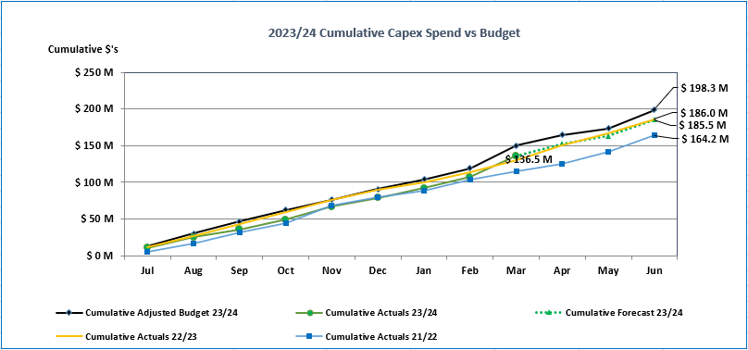
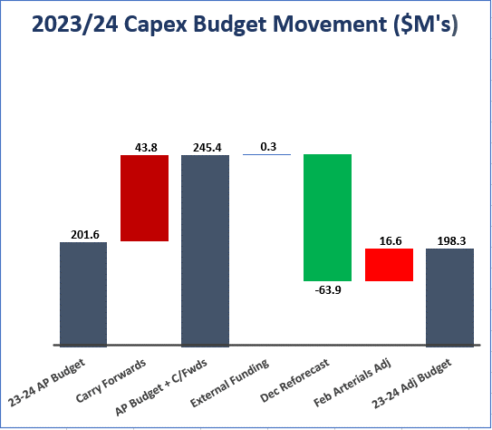
 | `

 | Programme | 2023/24 Actuals Mar YTD | 2023/24 Budget Mar YTD | Variance YTD | 2023/24 Full Year Adjusted Budget | % of Full Year Budget Spent | Comments | Ward
Assurance, Finance & Risk | Not Applicable | - | 24,464 | 24,464 | 159,486 | 0% | Procurement Systems (IN): YTD Budget $0k with Actuals of $0k (Full year budget $123k) - 23/24 for QLDC wide procurement strategy implementation. Awaiting recruitment of a Procurement Manager. Budget needed but wont be utilised until 2024/25. | District
Community Services | Libraries | 253,533 | 310,487 | 56,954 | 439,053 | 58% | Library Stock - District Wide: YTD Budget $265k with Actuals of $242k (Full year budget $371k) - Programmed to spend. | District
 |  |  |  |  |  |  | Frankton Libraries Furniture and Equipment: YTD Budget $9k with Actuals of $0k (Full year budget $13k) - Frankton/Kingston minor renewals programmed | Queenstown-Whakatipu
 |  |  |  |  |  |  | Whakatipu Libraries Furniture and Equipment: YTD Budget $18k with Actuals of $2k (Full year budget $27k) - Minor improvements programmed for Arrowtown/Glenorchy/Queenstown Libraries. | Queenstown-Whakatipu
 |  |  |  |  |  |  | Upper Clutha Libraries Furniture and Equipment: YTD Budget $18k with Actuals of $10k (Full year budget $27k) - Minor improvements for Hawea/Wanaka Libraries | Wanaka-Upper Clutha
Community Services | Parks and Reserves | 1,806,833 | 2,875,266 | 1,068,433 | 4,023,035 | 45% | Tracks and Trails Renewals: YTD Budget $324k with Actuals of $201k (Full Year Budget $549k) - Whakatipu focus is Gibbston Trail upgrade, Thompson Street to Fernhill connection (active travel route B2) and Arrowtown Chinese Village trail realignment. Wanaka focus is Millenium trail, Wanaka Lakefront to Glendhu Bay and Upper Clutha River trail resurfacing. Districtwide contract tenders under review April with delivery May/June. | District
 |  |  |  |  |  |  | Tree Planting Programme: YTD Budget $145k with Actuals of $124k (Full Year Budget $216k) - Spring planting programme completed. Autumn planting programme underway with planting scheduled April/May 2024. | District
 |  |  |  |  |  |  | Playground Renewals: YTD Budget $376k with Actuals of $109k (Full year budget $405k) - Whakatipu focus is Mcbride Park playground feature replacements and flying foxes (Mcbride, Jardine, Hanleys) to be complete by June. Wanaka budget increased in the December 2023 Reforecast to enable the Luggate Playground installation (completed May 2024). | District
 |  |  |  |  |  |  | Parks Roading Renewals: YTD Budget $420k with Actuals of $270k (Full year budget $644k) - Works undertaken November 2023 - March 2024 (awaiting final costs). | District
 |  |  |  |  |  |  | Light Pole Replacements & Amenity Lighting: YTD Budget $150k with Actuals of $49k (Full Year Budget $263k) - order confirmed April ($115k) for upgrade of Queenstown Gardens and St Omer Park Lighting. Balance to be carried forward to FY2024/25 for delivery due to timing of international delivery. | District
 |  |  |  |  |  |  | Toilet Renewals: YTD Budget $616k with Actuals of $361k (Full Year Budget $904k) - Northlake toilet completed March 2024. Contract agreed for implementation of toilets at Marine Parade, Shotover Country Sportsfield (planned for delivery May/June). | District
Community Services | Venues and Facilities | 414,606 | 716,574 | 301,968 | 864,316 | 48% | Queenstown Events Centre Alpine Aqualand Plant andEquipment Renewals: YTD Budget $398k with Actuals of $120k (Full year budget $424k) - $150k ringfenced for Wanaka Basketball hoops and $100k to Wanaka Lakefront Development Plan as per approved transfers in the May Reforecast. Balance of works during June 2024 shutdown (hydroslide works). | Queenstown-Whakatipu
 |  |  |  |  |  |  | Queenstown Events Centre - Fit Out Renewals: YTD Budget $133k with Actuals of $129k (Full year budget $186k) - - Utilised for cricket wickets, fencing and minor equipment. | Queenstown-Whakatipu
 |  |  |  |  |  |  | Wanaka Pool - Plant and Equipment Renewals: YTD Budget $79k with Actuals of $65k (Full year budget $108k) - Works to be completed during June shutdown. | Wanaka-Upper Clutha
Community Services | Buildings | 35,681 | 25,000 | (10,681) | 25,000 | 0% | Ballantyne Road Recreation Centre - WW Site preparation: YTD Budget $25k with Actuals of $21k (Full year budget $25k) - On hold pending Council re-prioritisation process associated with capital planning for draft Long Term Plan 2024-2034. | Wanaka-Upper Clutha
Community Services | Parks and Reserves | 1,535,665 | 4,948,795 | 3,413,130 | 7,384,411 | 21% | Wanaka Lakefront Development Plan Stage 2: YTD Budget $308k with Actuals of $255k (Full year budget $325k) - Stage 2 - Construction completed May 2023 with minor works including tiles, now completed August 2023. Issue raised in terms of tiles meeting requirements, QLDC is investigating this with the designer and contractor. Further update will be required at the appropriate time. | Wanaka-Upper Clutha
 |  |  |  |  |  |  | Wanaka Lakefront Development Plan Stage 5: YTD Budget $600k with Actuals of $18k (Full year budget $1.5M) - Detailed design completed March 2024. Construction procurement underway April with physical works likely to commence by July, following approval of budget transfers in the May reforecast Council paper. | Wanaka-Upper Clutha
 |  |  |  |  |  |  | Coronet Forest Revegetation: YTD Budget $1.7M with Actuals of $154k (Full year budget $2.6M) - Planting manager contract awarded. Planting contractor awarded March 2024. $1.9M balance likely to require carry-forward at year end. | Arrowtown-Kawarau
 |  |  |  |  |  |  | Water Sports Facility and Parking - Wanaka: YTD Budget $420k with Actuals of $139k (Full year budget $624k) - Contract awarded February 2024. Works commenced March 2024 and on track for completion May 2024 for new footbridge and track. Carpark improvements under roading contract. | Wanaka-Upper Clutha
 |  |  |  |  |  |  | Glenorchy Carpark & Marina Improvements: YTD Budget $500k with Actuals of $58k (Full year budget $723k) - Detailed design completed March 2024. Construction procurement to commence May with physical works likely to commence by July, following approval of budget increase in the May reforecast Council paper. | Queenstown-Whakatipu
Community Services | Venues and Facilities | 159,002 | 248,483 | 89,481 | 323,483 | 49% | Frankton Golf Course Reconfiguration: YTD Budget $225k with Actuals of $135k (Full year budget $300k) - Completion of golf course works January-April 2024 to be offset with Waka Kotahi funding. Club house works planned May 2024. | Queenstown-Whakatipu
 |  |  |  |  |  |  | Queenstown Events Centre - Carpark Reconfiguration: YTD Budget $23k with Actuals of $23k (Full year budget $23k) - Masterplan concept design completed 2022/23. On hold pending council re-prioritisation process associated with capital planning for draft Long Term Ppla 2024-2034. | Queenstown-Whakatipu
Corporate Services | Information Management | 641,502 | 1,108,480 | 466,978 | 1,497,520 | 43% | Enterprise System: YTD Budget $443k with Actuals of $417k (Full year budget $603k) - Work scheduled to be delivered including the TechOne project pipeline; Resource backfill to support TechnologyOne CiA transition programme and Sentient.. | District
 |  |  |  |  |  |  | ICT Projects: YTD Budget $208k with Actuals of $41k (Full year budget $286k) - Work scheduled to be delivered including Laptop cybersecurity upgrade, Cloud maturity support, backup audit, Digital Strategy Support, Information Management Transformation project support. | District
 |  |  |  |  |  |  | ICT Network: YTD Budget $172k with Actuals of $29k (Full year budget $236k) - Work scheduled to be delivered including network improvement projects, IoT Platform enhancements, Wi-Fi and switch upgrades | District
Corporate Services | Libraries | 70,946 | 196,138 | 125,192 | 269,690 | 26% | Library Systems: YTD Budget $196k with Actuals of $71k (Full year budget $270k) - Improvements incl Libraries Website, Security gates Arrowtown and Hawea March/April, Humanforce project January/February start, RFID wands. | District
Corporate Services | Not Applicable | 14,635 | 13,979 | (656) | 20,969 | 70% | Emergency Management: YTD Budget $14k with Actuals of $15k (Full year budget $21k) - Data projector emergency operations equipment purchased. | District
Infrastructure | Buildings | 434,476 | 1,150,806 | 716,330 | 1,502,399 | 29% | Gorge Road Office Civic Building - Renewal: YTD Budget $169k with Actuals of $172k (Full year budget $244k) - Toilet reconfiguration complete January 2024. Furniture/desks replacements, lighting and security ongoing. | Queenstown-Whakatipu
 |  |  |  |  |  |  | Waterways Jetty/Ramp/Pontoon renewals - Districtwide: YTD Budget $593k with Actuals of $86k (Full year budget $774k) - Minor remedial works likely to commence by June 2024 across 3 prioritised sites (Kingston, Sunshine Bay and Bobs Cove Jetties). Balance reprioritised to be spent on detailed design to guide Long Term Pplan 2024-2034 improvement programme. Unlikely will be able to spend budget prior to year end June (risk that may not be able to carry forward renewals budget to 2024/25). | District
...

