Calculator
 |  |  |  | Dimensions of Soak Pit
NZBC E1/VM1

How to use: Complete all yellow highlighted values
 |  |  |  |  |  |  |  |  | Enter the depth of the top soil in meters
1. Enter the soakage rate of the ground over a 5 minute duration period

 | enter the average water level drop in mm over 5 minute time period
 |  |  |  |  |  |  |  | #DIV/0! | Total depth of storage required
0 | soakage rate in mm/hr |  | SR

2. Assess the storm water catchment area |  |  |  |  |  |  | = | #DIV/0! | Depth in meters below finished ground level

 | enter the surface catchment area in m2

 | enter the local rainfall intensity for QLDC | NIWA High Intensity Rainfall System V4
 | enter run off coefficient (Table 1 E1/VM1) | NZBC E1

0.00 | run-off discharged from catchment to soak pit in 1 hour (m3) |  | RC |  | 0.00 | diameter
 |  |  |  | = | 0.00 | base area m2
3. Determine base area of the soak hole
 |  |  |  | 0.00 | Cubic meters of chamber required
 | enter base area in M2 required |  | Asp

4. Calculate soakage allowance into the bottom of the hole |  |  |  | Dimensions of Rock Filled Soak Pit

0.00 | soakage allowance for the base of soak hole in m3 |  | Vsoak
 |  |  |  |  |  |  |  |  | Enter the depth of the top soil in meters
5. Volume of chamber type soak pit required

0.00 | volume of soak hole required for chamber type soak pit (m3) |  | Vstor
 |  |  |  |  |  |  |  | #DIV/0! | Depth of storage required
6. Volume required for rock filled soak hole

0.00 | volume of rock filled soak hole (m3)
 |  |  |  |  |  |  | = | #DIV/0! | Total depth in meters below finished ground level

 |  |  |  |  | 0.00 | x | 0.00 | m2 pit
 |  |  |  | = | 0.00 | base area m2

 |  |  |  |  | 0.00 | Cubic meters required of 75mm - 150mm rock
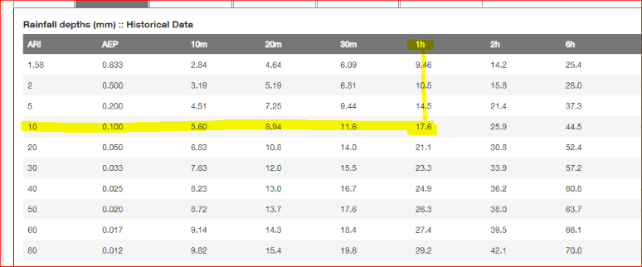
E1/VM1 TABLE 1
Description of surface C
Natural surface types
Bare impermeable clay with no interception
channels or run-off control 0.70
Bare uncultivated soil of medium soakage 0.60
Heavy clay soil types:
– pasture and grass cover 0.40
– bush and scrub cover 0.35
– cultivated 0.30
Medium soakage soil types:
– pasture and scrub cover 0.30
– bush and scrub cover 0.25
– cultivated 0.20
High soakage gravel, sandy and volcanic soil types:
– pasture and scrub cover 0.20
– bush and scrub cover 0.15
– cultivated 0.10
Parks, playgrounds and reserves:
– mainly grassed 0.30
– predominantly bush 0.25
Gardens, lawns, etc. 0.25
Developed surface types
Fully roofed and/or sealed developments 0.90
Steel and non-absorbent roof surfaces 0.90
Asphalt and concrete paved surfaces 0.85
Near flat and slightly absorbent
roof surfaces 0.80
Stone, brick and precast concrete
paving panels
– with sealed joints 0.80
– with open joints 0.60
Unsealed roads 0.50
Railway and unsealed yards and
similar surfaces 0.35
Land use types
Industrial, commercial, shopping areas
and town house developments 0.65
Residential areas in which the impervious
area is less than 36% of gross area 0.45
Residential areas in which impervious
area is 36% to 50% of gross area 0.55
Note:
Where the impervious area exceeds 50% of gross area, use method of Paragraph 2.1.2.

worked example from NIWA report

E1/VM1 Section 9.0.2 FIELD TEST PROCEDURE
Field testing of soakage shall be carriedout as follows:
a) Bore test holes of 100 mm to 150 mm diameter to the depth of the proposed soak pit. If groundwater is encountered in the bore test hole then this depth shall be taken as the depth of the soak pit.
b) Fill the hole with water and maintain full for at least 4 hours, (unless the soakage is so great that the hole completely drains in a short time).
c) Fill the hole with water to within 750 mm of ground level, and record the drop in water level against time, at intervals of no greater than 30 minutes, until the hole is almost empty, or over 4 hours, whichever is the shortest.
d) Plot the drop in water level against time on a graph, and the soakage rate in mm/hr is determined from the minimum slope of the curve. If there is a marked decrease in soakage rate as the hole becomes nearly empty, the lower rates may be discarded and the value closer to the average can be adopted.

E1/VM1 Section 9.0.4 SOAK PIT CALCULATION
The volume of storage required in the soak pit, Vstor (m3), shall be calculated by:
Vstor = Rc – Vsoak
where
Rc = run-off discharged from catchment to soak pit in 1 hour (m3).
Vsoak = volume disposed of by soakage in 1 hour (m3).
and
Rc = 10CIA
where
C = run-off coefficient (see Table 1).
I = rainfall intensity (mm/hr) based on 1 hour duration of an event having a 10% probability of occurring annually.
A = area (hectares) of the catchment discharging to the soak pit.
and
Vsoak = AspSr/1000
where
Asp = area of the base of the soak pit (m2).
Sr = soakage rate (mm/hr)

E1/VM1 Section 2.1.2 The chosen run-off coefficient shall be based on the conditions likely to exist after the full catchment development allowable by the operative plan under the Resource Management Act

E1/VM1 Section 9.0.6 Where the soak pit comprises a rock filled hole (see Figure 13 (a)) then the volume available for storage, Vstor, shall be taken as 0.38 times the volume of the hole.

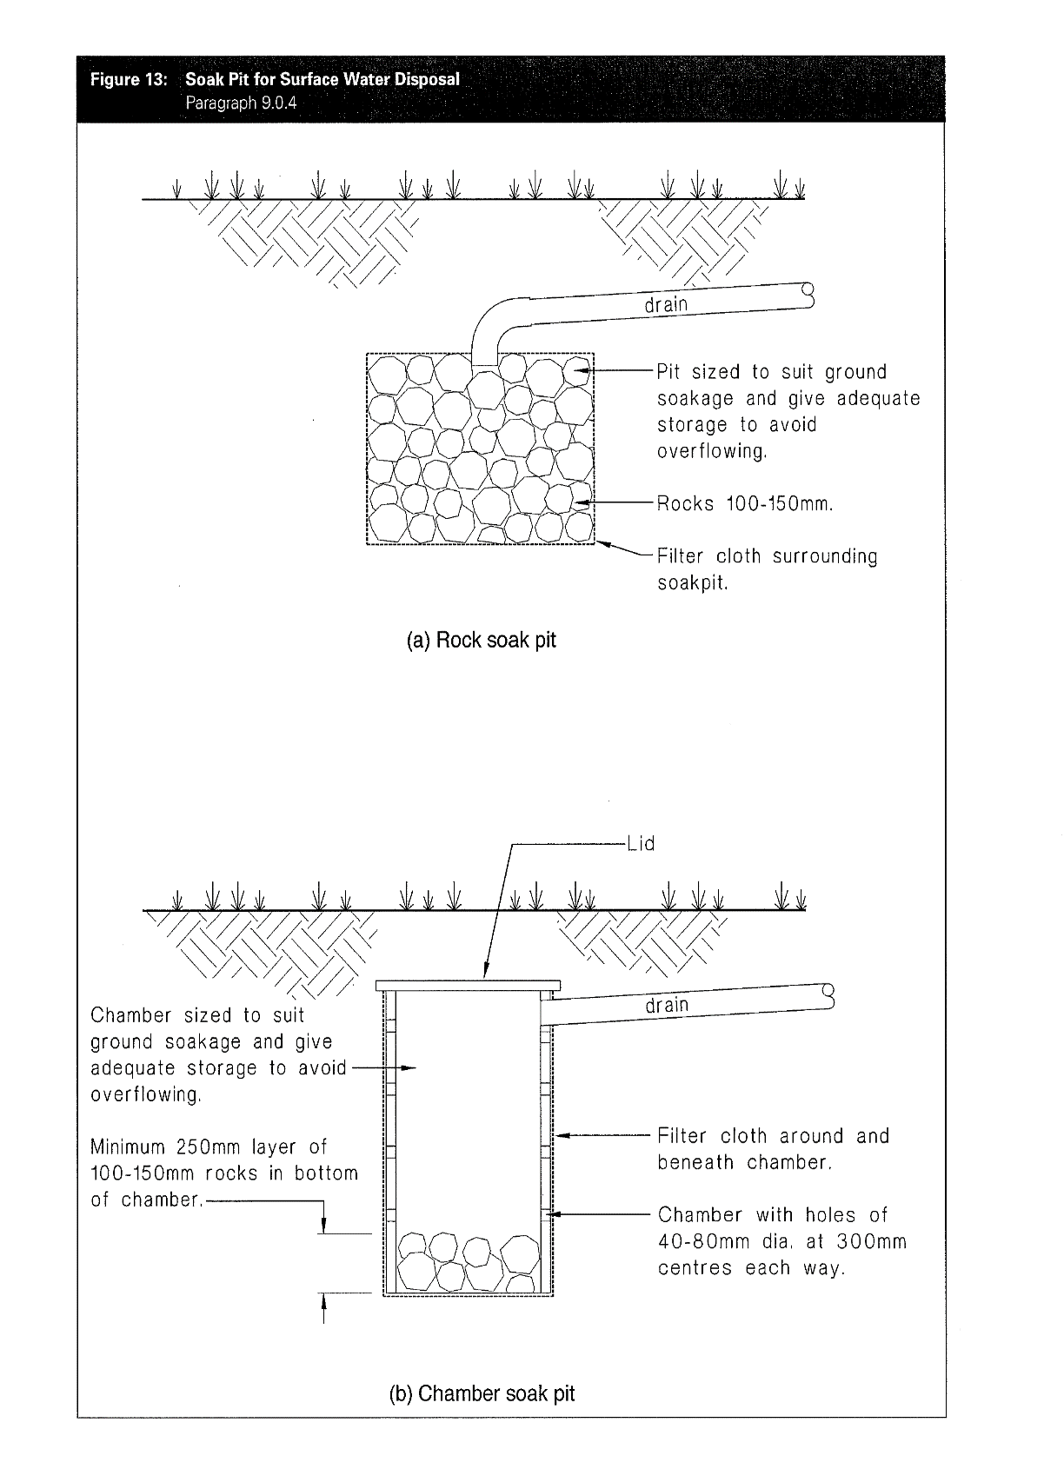

Guideance
Onsite Stormwater Disposal Guidance
If your property does not have a connection to the council reticulated stormwater system you will need to dispose of stormwater onsite. You will be able to determine this information through applying for a Property Information Memorandum or reviewing the sections services on GIS mapping.
The design of this system and the details will need to be provided with your building consent application.
The design of the onsite stormwater disposal system will need to demonstrate compliance with Building Code Clause E1. This can be demonstrated through E1/VM1, Specific Engineering Design (SED) or an Alternative Solution with support evidence to demonstrate compliance with the performance requirements of E1.
Some subdivisions may have specific requirements such as attenuation tanks, these will be specified on a consent notice in relation to the subdivisions Resource Consent.
If you are using the E1/VM1 method (Section 9.0) evidence of the field testing results need to be provided with your Building Consent documentation along with the calculations to determine the size of the soak pit. The type of soak pit (rock or chamber) should be specified on the plans along with the location of the soak pit with connections to the stormwater drainage.
If you are doing additions to an existing dwelling or building, the Building Consent documentation will either need to demonstrate the existing soak pit is suitably sized for the additional roof area. Or if an additional soak pit is to be constructed field testing, calculations and the design of this soak pit should be provided.
Where to find further information?
Building Code Clause E1
Alternatively connection to QLDC water, wastewater and stormwater

